Plesk
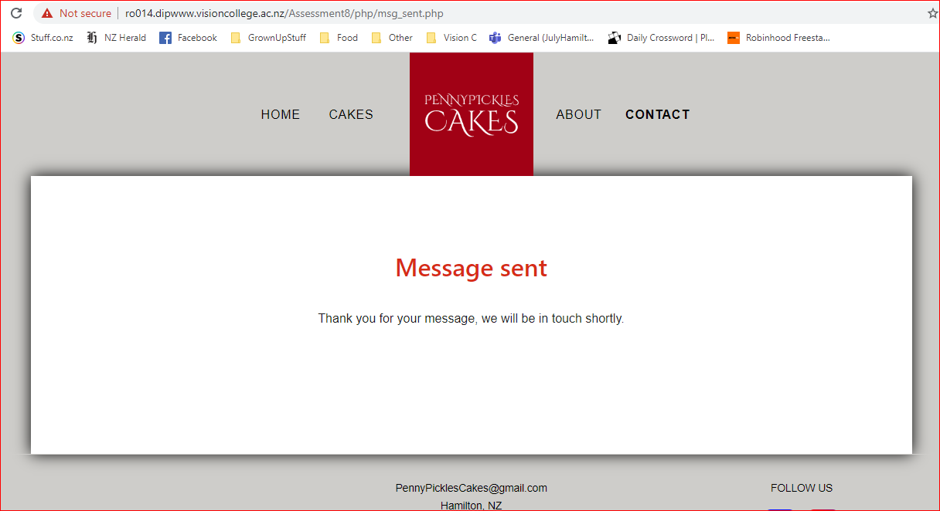
Plesk
Total Tests: | 32 |  | Tested
Tested: | 32 |  | In Progress
% Complete: | 100% |  | Not Tested
 |  |  | Error

Page | Test Case | Test | Status | Tests to complete | Complete = 1 Incomplete = 0 | Test Steps | Expected Result | Actual Result
Login | AD.1 | User created in database | Tested | 1 | 1 | 1. Insert URL: http://localhost/a8/ppcakes/admin/index.php 2. Enter email address 3. Enter password 4. Select login button | User is presented with login page. User is presented with a_cakes page upon successful login. Administrator menu bar appears: Cakes, Testimonials, Company Info, Users & Logout button. | As expected
Logout | AD.3 | User is logged in | Tested | 1 | 1 | 1. Select logout button | User is logged out from page and returned to admin index/login page. | As expected
Display cakes | AD.5 | User is logged in | Tested | 1 | 1 | 1. Login 2. Review information displayed is as per information in database | Data from database is displayed in correct place on the webpage. Correct category description is displayed. | As expected
Update cake | AD.6.2 | User is logged in | Tested | 1 | 1 | 1. Select pencil icon in action column 2. Update cake details, drop down list and free text 3. Select Save Changes button. | Changes are updated and shown in cakes screen user is redirected back to cakes page. | As expected
Add cake | AD.7.2 | User is logged in | Tested | 1 | 1 | 1. Select + New Cake button 2. Add cake details, drop down list and free text 3. Select Add Cake button. | Changes are saved and new cake is shown in cakes screen user is redirected to upload images page. | As expected
Delete cake | AD.8.2 | User is logged in | Tested | 1 | 1 | 1. Select trash icon in action column 2. Select yes to confirm | User is returned to cakes page, cake and images are deleted from database tables. | As expected
Add cake images | AD.9 | User is logged in | Tested | 1 | 1 | 1. Select Choose file button 2. Select image 3. Select Upload image button 4. Select Back to List button | Image links are saved to database, images are moved to the images file, images appear for cake on webpage. | As expected
Delete cake images | AD.10 | User is logged in | Tested | 1 | 1 | 1. Select picture icon in action column 2. Select Delete Image button | Selected image is deleted from database and images folder, all other images remain. | As expected
Display testimonials | AD.11 | User is logged in | Tested | 1 | 1 | 1. Select Testimonials from menu | All testimonials are displayed | Issue: ' translated to question mark on screen display (refer screenshot below) Solution: removed ' from text
Add testimonial | AD.12 | User is logged in | Tested | 1 | 1 | 1. Select + New Testimonial button 2. Enter text 3. Select Create Entry button | Testimonial is created in data base, displays on testimonial page | As expected
Delete testimonial | AD.13 | User is logged in | Tested | 1 | 1 | 1. Select trash icon in action column 2. Select yes to confirm | User is returned to testimonial page, testimonial no longer displays, is deleted from database table. | As expected
Udpate company info | AD.14 | User is logged in | Tested | 1 | 1 | 1. Select Company Info from menu | Records are updated and user redirected to Cakes landing page. | As expected
Add user | AD.15 | User is logged in | Tested | 1 | 1 | 1. Select Users from menu 2. Select + New User button 3. Enter user details 4. Logout 5. Log back in as new user | User list is diplayed initially. New user is created, user can log in and access admin menu. | As expected
Delete user | AD.16 | User is logged in | Tested | 1 | 1 | 1. Select trash icon in action column 2. Select yes to confirm | User is deleted from database and cannot log in. | As expected
Home - menu | PUB.1 | Menu bar | Tested | 1 | 1 | 1. open URL: http://localhost/a8/ppcakes/index.php 2. Click on each menu item | Selecting menu item should go to respective page. Selecting Logo should stay on page. Active page should be in bold. Hovering over menu should change text colour and create shadow. | As expected
Home - body | PUB.2 | Body | Tested | 1 | 1 | 1. Review layout | Main image should be clear. Should be a contrast to page body. Should have a shadow. Tagline should be clear and transparent, aligned to the top right of the image. Image should scroll with the page. | As expected
Home - footer | PUB.3 | Footer | Tested | 1 | 1 | 1. Check footer displays 2. Select social media icons | Footer text is centered, with social icons to the right. Hovering over social icons should animate them. Clicking in the isons should open a new page and take user to respective web page. | As expected
Cakes - menu | PUB.4 | Menu bar | Tested | 1 | 1 | 1. Click on each menu item | Selecting menu item should go to respective page. Selecting Logo should go to home page. Active page should be in bold. Hovering over menu should change text colour and create shadow. | As expected
Cakes - body | PUB.5 | Body | Tested | 1 | 1 | 1. Review layout | Title and paragraph text should come from database table. An image and title should display for each category. Clicking on an image should take the user to the page for the category selected. | As expected
Cakes - footer | PUB.6 | Footer | Tested | 1 | 1 | 1. Check footer displays (functionality as per all pages as footer is an external php page) | Footer displays correctly. Refer to test UT.PUB.3 for test results. | As expected
Cake Category - menu | PUB.7 | Menu bar | Tested | 1 | 1 | 1. Click on each menu item | Selecting menu item should go to respective page. Selecting Logo should go to home page. Active page should be in bold. Hovering over menu should change text colour and create shadow. | As expected
Cake Category - body | PUB.8 | Body | Tested | 1 | 1 | 1. Review layout | Title and paragraph text should come from database table. Each cake should show once, with an image. | As expected
Cake Category - footer | PUB.9 | Footer | Tested | 1 | 1 | 1. Check footer displays (functionality as per all pages as footer is an external php page) | Footer displays correctly. Refer to test UT.PUB.3 for test results. | As expected
Single Cake - menu | PUB.10 | Menu bar | Tested | 1 | 1 | 1. Click on each menu item | Selecting menu item should go to respective page. Selecting Logo should go to home page. Active page should be in bold. Hovering over menu should change text colour and create shadow. | As expected
Single Cake - body | PUB.11 | Body | Tested | 1 | 1 | 1. Review layout | Title paragraph text should come from database table. Images should carousel through themselves. Send message button should go to contact page. | As expected
Single Cake - footer | PUB.12 | Footer | Tested | 1 | 1 | 1. Check footer displays (functionality as per all pages as footer is an external php page) | Footer displays correctly. Refer to test UT.PUB.3 for test results. | As expected
About - menu | PUB.13 | Menu bar | Tested | 1 | 1 | 1. Click on each menu item | Selecting menu item should go to respective page. Selecting Logo should go to home page. Active page should be in bold. Hovering over menu should change text colour and create shadow. | As expected
About - body | PUB.14 | Body | Tested | 1 | 1 | 1. Review layout | Title and paragraph text should come from database table. All testimonials should display from database table. | As expected
About - footer | PUB.15 | Footer | Tested | 1 | 1 | 1. Check footer displays (functionality as per all pages as footer is an external php page) | Footer displays correctly. Refer to test UT.PUB.3 for test results. | As expected
Contact - menu | PUB.16 | Menu bar | Tested | 1 | 1 | 1. Click on each menu item | Selecting menu item should go to respective page. Selecting Logo should go to home page. Active page should be in bold. Hovering over menu should change text colour and create shadow. | As expected
Contact - body | PUB.17 | Body | Tested | 1 | 1 | 1. Review layout | Error should be received when mandatory fields are not populated. Email format validated. Date picker shows calendar. Send button should send email to ruthop13@gmail.com. | Issues: Message sent, stayed on same page. Email content in wrong places. Phone number missing. Solutions: Moved header("location: msg_sent.php"). Updated message formatting.
Contact - footer | PUB.18 | Footer | Tested | 1 | 1 | 1. Check footer displays (functionality as per all pages as footer is an external php page) | Footer displays correctly. Refer to test UT.PUB.3 for test results. | As expected

Testimonial text issue:
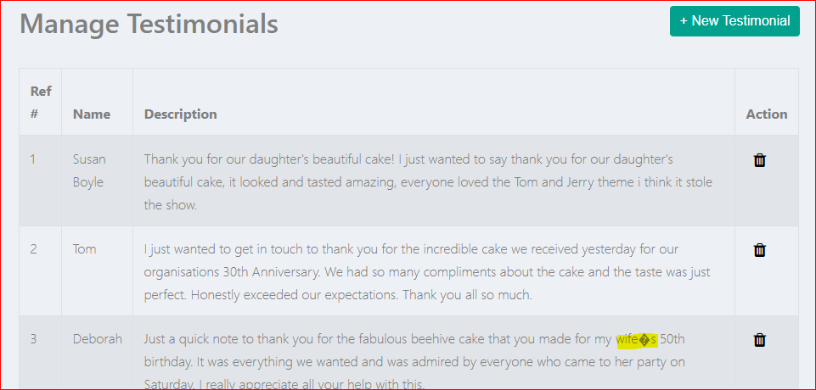

Contact Form email content:
Test1 |  |  |  |  |  | Final output
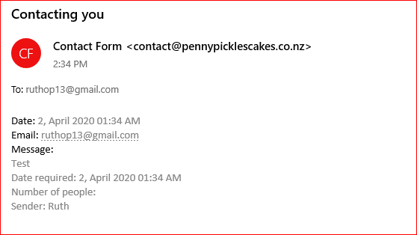
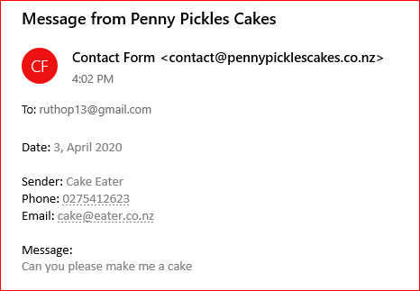

Success message/landing page

